Data
Order ID | Date | Day | Order Time | Time Slot | Customer Name | Contact Number | Order Type | Item Ordered | Unit Price | Quantity Ordered | Total Amount
12452 | 02/01 | Monday | 9:07 | 9am to 11am | Ankur Trivedi | 8190085236 | Breakfast | Veg sandwich | 85 | 2 | 170
12452 | 02/01 | Monday | 9:07 | 9am to 11am | Ankur Trivedi | 8190085236 | Breakfast | Tea | 20 | 1 | 20
12453 | 02/01 | Monday | 9:15 | 9am to 11am | Raghav | 8181285298 | Breakfast | Corn Sandwich | 80 | 1 | 80
12453 | 02/01 | Monday | 9:15 | 9am to 11am | Raghav | 8181285298 | Breakfast | Juice | 50 | 1 | 50
12454 | 02/01 | Monday | 9:20 | 9am to 11am | Monika Singh | 9181285299 | Breakfast | Maggie | 50 | 1 | 50
12455 | 02/01 | Monday | 9:31 | 9am to 11am | Rehan Ahmed | 7281534295 | Breakfast | Veg sandwich | 85 | 1 | 85
12455 | 02/01 | Monday | 9:31 | 9am to 11am | Rehan Ahmed | 7281534295 | Breakfast | Coffee | 60 | 1 | 60
12456 | 02/01 | Monday | 10:19 | 9am to 11am | Shreya Agrawal | 6234652387 | Breakfast | Burger | 65 | 1 | 65
12456 | 02/01 | Monday | 10:19 | 9am to 11am | Shreya Agrawal | 6234652387 | Breakfast | Tea | 20 | 1 | 20
12457 | 02/01 | Monday | 11:20 | 11am to 1pm | Rashi Jha | 9134452379 | Breakfast | Corn Sandwich | 80 | 1 | 80
12458 | 02/01 | Monday | 11:25 | 11am to 1pm | Sameer | 9154326979 | Breakfast | Veg sandwich | 85 | 1 | 85
12458 | 02/01 | Monday | 11:25 | 11am to 1pm | Sameer | 9154326979 | Breakfast | Tea | 20 | 1 | 20
12459 | 02/01 | Monday | 12:20 | 11am to 1pm | Poulomi Sarkar | 7983534205 | Lunch | Fried Rice | 90 | 2 | 180
12459 | 02/01 | Monday | 12:20 | 11am to 1pm | Poulomi Sarkar | 7983534205 | Lunch | Veg manchurian | 120 | 1 | 120
12459 | 02/01 | Monday | 12:20 | 11am to 1pm | Poulomi Sarkar | 7983534205 | Lunch | Coke | 70 | 1 | 70
12460 | 02/01 | Monday | 13:10 | 1pm to 3pm | Pallab Barman | 8600370030 | Lunch | Chilli Chicken | 140 | 2 | 280
12461 | 02/01 | Monday | 13:10 | 1pm to 3pm | Ankita Majumder | 7219188010 | Lunch | Fried Rice | 90 | 1 | 90
12462 | 02/01 | Monday | 13:10 | 1pm to 3pm | Sourav Dasgupta | 9970300841 | Lunch | Fried Rice | 90 | 3 | 270
12463 | 02/01 | Monday | 13:10 | 1pm to 3pm | Pritam Kumar | 8698221746 | Lunch | Chicken Momo | 95 | 2 | 190
12464 | 02/01 | Monday | 13:10 | 1pm to 3pm | Pintu Roy | 7620137072 | Lunch | Veg manchurian | 120 | 1 | 120
12465 | 02/01 | Monday | 14:00 | 1pm to 3pm | Swagatam Dey | 8010629896 | Lunch | Chicken Noodles | 110 | 1 | 110
12466 | 02/01 | Monday | 14:00 | 1pm to 3pm | Tanmoy Saha | 7875771758 | Lunch | Fried Rice | 90 | 1 | 90
12467 | 02/01 | Monday | 15:15 | 3pm to 5pm | Arka Jyoti | 9767609950 | Lunch | Chicken Biryani | 160 | 1 | 160
12468 | 02/01 | Monday | 17:10 | 5pm to 7pm | Ravina Gupta | 9172954077 | Evening Snacks | Coffee | 40 | 4 | 160
12469 | 02/01 | Monday | 17:10 | 5pm to 7pm | Priya Singha | 8698694008 | Evening Snacks | Chicken Pizza | 120 | 1 | 120
12470 | 02/01 | Monday | 17:10 | 5pm to 7pm | Raghu Ray | 7447378433 | Evening Snacks | Iced Tea | 55 | 1 | 55
12471 | 02/01 | Monday | 17:10 | 5pm to 7pm | Sharmila Mitra | 7756062745 | Evening Snacks | Tea | 20 | 3 | 60
12472 | 02/01 | Monday | 17:10 | 5pm to 7pm | Sudeshna Das | 7559219359 | Evening Snacks | Maggie | 50 | 2 | 100
12473 | 02/01 | Monday | 18:30 | 5pm to 7pm | Sneha Kumari | 9421206413 | Evening Snacks | Coffee | 40 | 1 | 40
12474 | 02/01 | Monday | 20:00 | 8pm onwards | Loki Bhatt | 9552119024 | Dinner | Veg Momo | 80 | 1 | 80
12475 | 02/01 | Monday | 20:15 | 8pm onwards | Shreyosi Singha | 8856964404 | Dinner | Veg Noodles | 90 | 2 | 180
12476 | 02/01 | Monday | 20:29 | 8pm onwards | Akashay Kumar | 9665254982 | Dinner | Lime soda | 80 | 1 | 80
12477 | 02/01 | Monday | 21:12 | 8pm onwards | Sushmita Prasad | 9834393804 | Dinner | Chicken Noodles | 110 | 1 | 110
12478 | 02/01 | Monday | 21:16 | 8pm onwards | Mona Mondal | 9067113507 | Dinner | Veg Momo | 80 | 3 | 240
12479 | 02/01 | Monday | 21:41 | 8pm onwards | Rishav Moitra | 7558254407 | Dinner | Veg Noodles | 90 | 1 | 90
12480 | 02/01 | Monday | 21:50 | 8pm onwards | Srijita Dey | 9881519650 | Dinner | Chilli Chicken | 140 | 2 | 280
12481 | 03/01 | Tuesday | 9:21 | 9am to 11am | Harshit Goenka | 9763315361 | Breakfast | Corn Sandwich | 80 | 1 | 80
12482 | 03/01 | Tuesday | 9:53 | 9am to 11am | Arjun Kumar | 9822217705 | Breakfast | Juice | 50 | 2 | 100
12483 | 03/01 | Tuesday | 10:08 | 9am to 11am | Neelakantam Meghana | 7972930125 | Breakfast | Veg sandwich | 75 | 1 | 75
12484 | 03/01 | Tuesday | 10:16 | 9am to 11am | GANGANABOINA DHARANI G | 8669212719 | Breakfast | Tea | 20 | 1 | 20
12485 | 03/01 | Tuesday | 11:05 | 11am to 1pm | Pradip Kumar Ghosh | 7058895357 | Breakfast | Coffee | 40 | 1 | 40
12486 | 03/01 | Tuesday | 11:35 | 11am to 1pm | Soumya Chandra Saha | 7666331959 | Breakfast | Juice | 20 | 3 | 60
12487 | 03/01 | Tuesday | 11:49 | 11am to 1pm | Dibendu Mondal | 9112040074 | Breakfast | Maggie | 50 | 1 | 50
12488 | 03/01 | Tuesday | 12:25 | 11am to 1pm | Avijit Mondal | 7066937245 | Lunch | Chicken Noodles | 110 | 2 | 220
12489 | 03/01 | Tuesday | 12:37 | 11am to 1pm | Kumbham Charishma | 7385117711 | Lunch | Veg Pizza | 90 | 1 | 90
12490 | 03/01 | Tuesday | 12:50 | 11am to 1pm | Anushrita Das | 7499155152 | Lunch | Chicken Momo | 95 | 1 | 95
12491 | 03/01 | Tuesday | 13:10 | 1pm to 3pm | Ms. Simran | 9834239709 | Lunch | Chilli Chicken | 140 | 1 | 140
12491 | 03/01 | Tuesday | 13:10 | 1pm to 3pm | Ms. Simran | 9834239709 | Lunch | Fried Rice | 90 | 1 | 90
12492 | 03/01 | Tuesday | 13:10 | 1pm to 3pm | Mangal Avhad | 7517328104 | Lunch | Chicken Biryani | 160 | 2 | 320
12493 | 03/01 | Tuesday | 14:00 | 1pm to 3pm | Dhruv Agrawal | 9022542744 | Lunch | Chilli Chicken | 140 | 1 | 140
12493 | 03/01 | Tuesday | 14:00 | 1pm to 3pm | Dhruv Agrawal | 9022542744 | Lunch | Fried Rice | 90 | 1 | 90
12494 | 03/01 | Tuesday | 14:00 | 1pm to 3pm | Sunita Saha | 9665669029 | Lunch | Chicken Biryani | 160 | 1 | 160
12495 | 03/01 | Tuesday | 14:00 | 1pm to 3pm | Shravani Mastekar | 8000541515 | Lunch | Veg manchurian | 120 | 4 | 480
12496 | 03/01 | Tuesday | 15:15 | 3pm to 5pm | Barasha Das | 9834971312 | Lunch | Chicken Momo | 95 | 1 | 95
12497 | 03/01 | Tuesday | 17:10 | 5pm to 7pm | Miss Reetika | 7387428696 | Evening Snacks | Burger | 65 | 1 | 65
12498 | 03/01 | Tuesday | 17:10 | 5pm to 7pm | Yashoda Chauhan | 9834785529 | Evening Snacks | Coffee | 40 | 2 | 80
12499 | 03/01 | Tuesday | 17:10 | 5pm to 7pm | Aaron Singson | 9284078130 | Evening Snacks | Tea | 20 | 1 | 20
12500 | 03/01 | Tuesday | 18:30 | 5pm to 7pm | Sakshi Singh | 7798358448 | Evening Snacks | Burger | 65 | 1 | 65
12501 | 03/01 | Tuesday | 18:30 | 5pm to 7pm | Shweta Singh | 8600080915 | Evening Snacks | Maggie | 50 | 1 | 50
12502 | 03/01 | Tuesday | 20:00 | 8pm onwards | Anamika Patel | 9730081698 | Dinner | Veg Momo | 80 | 1 | 80
12503 | 03/01 | Tuesday | 20:53 | 8pm onwards | Tannu Kumari | 7756886618 | Dinner | Veg Noodles | 90 | 1 | 90
12504 | 03/01 | Tuesday | 20:58 | 8pm onwards | Vineeta yadav | 7775949923 | Dinner | Lime soda | 80 | 3 | 240
12505 | 03/01 | Tuesday | 21:23 | 8pm onwards | Kritika Mutreja | 9657098789 | Dinner | Chicken Noodles | 110 | 1 | 110
12506 | 03/01 | Tuesday | 21:43 | 8pm onwards | Prachi Sharma | 9370648146 | Dinner | Veg Momo | 80 | 2 | 160
12507 | 03/01 | Tuesday | 21:50 | 8pm onwards | Shreya Patil | 8485086995 | Dinner | Veg Noodles | 90 | 1 | 90
12508 | 04/01 | Wednesday | 9:02 | 9am to 11am | Surigi Swathigoud | 7875208609 | Breakfast | Tea | 20 | 5 | 100
12509 | 04/01 | Wednesday | 9:13 | 9am to 11am | Selcy Patel | 7030797686 | Breakfast | Corn Sandwich | 80 | 1 | 80
12510 | 04/01 | Wednesday | 9:56 | 9am to 11am | Shyam Gogoi | 8053206546 | Breakfast | Coffee | 40 | 4 | 160
12511 | 04/01 | Wednesday | 10: 36 | 9am to 11am | Pranay Bagul | 9650730104 | Breakfast | Veg sandwich | 75 | 1 | 75
12512 | 04/01 | Wednesday | 11:5 | 11am to 1pm | Sweety Mishra | 9625262332 | Breakfast | Tea | 20 | 2 | 40
12513 | 04/01 | Wednesday | 11:46 | 11am to 1pm | Amar Chandra Barman | 9732249142 | Breakfast | Juice | 50 | 1 | 50
12514 | 04/01 | Wednesday | 11:57 | 11am to 1pm | Afsana Begum | 6296420251 | Breakfast | Corn Sandwich | 80 | 1 | 80
12515 | 04/01 | Wednesday | 12:6 | 11am to 1pm | Kuldip Chauhan | 8167839377 | Lunch | Chicken Biryani | 160 | 1 | 160
12516 | 04/01 | Wednesday | 12:35 | 11am to 1pm | Kasula Jahnavi | 9619822428 | Lunch | Fried Rice | 90 | 1 | 90
12517 | 04/01 | Wednesday | 13:10 | 1pm to 3pm | Molla Kavitha | 9813894433 | Lunch | Lime soda | 80 | 1 | 80
12518 | 04/01 | Wednesday | 13:10 | 1pm to 3pm | Mekala Priyanjayee | 9289704319 | Lunch | Veg manchurian | 120 | 1 | 120
12519 | 04/01 | Wednesday | 13:15 | 1pm to 3pm | Namrata Singh | 9390774082 | Lunch | Chicken Biryani | 160 | 1 | 160
12520 | 04/01 | Wednesday | 14:00 | 1pm to 3pm | Samar Sen | 7827328558 | Lunch | Chicken Biryani | 160 | 1 | 160
12521 | 04/01 | Wednesday | 14:10 | 1pm to 3pm | Shehnaaz Khan | 9315969310 | Lunch | Fried Rice | 90 | 1 | 90
12522 | 04/01 | Wednesday | 15:15 | 3pm to 5pm | Ivy Banerjee | 7042736460 | Lunch | Chicken Momo | 95 | 1 | 95
12523 | 04/01 | Wednesday | 15:15 | 3pm to 5pm | Olivia Roy | 9813265311 | Lunch | Chicken Biryani | 160 | 1 | 160
12524 | 04/01 | Wednesday | 18:30 | 5pm to 7pm | Samrat Roy | 9896113379 | Evening Snacks | Cold Coffee | 60 | 1 | 60
12525 | 04/01 | Wednesday | 18:30 | 5pm to 7pm | Aakash Sharma | 9213162598 | Evening Snacks | Coke | 70 | 3 | 210
12526 | 04/01 | Wednesday | 21:13 | 8pm onwards | Tiyasa Paul | 7876173363 | Dinner | Chicken Noodles | 110 | 1 | 110
12527 | 04/01 | Wednesday | 20:39 | 8pm onwards | Shivam Basu | 6296981645 | Dinner | Chicken Noodles | 110 | 1 | 110
12528 | 04/01 | Wednesday | 21:12 | 8pm onwards | Adrik Sen | 9041584053 | Dinner | Chicken Pizza | 120 | 1 | 120
12529 | 04/01 | Wednesday | 21:35 | 8pm onwards | Naaz Parveen | 7001927806 | Dinner | Chicken Momo | 95 | 2 | 190
12529 | 04/01 | Wednesday | 21:35 | 8pm onwards | Naaz Parveen | 7001927806 | Dinner | Lime soda | 80 | 2 | 160
12531 | 05/01 | Thursday | 9:47 | 9am to 11am | Tanish Mondal | 9971474061 | Breakfast | Coffee | 40 | 1 | 40
12532 | 05/01 | Thursday | 9:50 | 9am to 11am | Avijit Barman | 8527043598 | Breakfast | Coffee | 40 | 1 | 40
12533 | 05/01 | Thursday | 9:57 | 9am to 11am | RUPA SHARMA | 8580948654 | Breakfast | Burger | 65 | 1 | 65
12534 | 05/01 | Thursday | 10:12 | 9am to 11am | siddabathula venkata kameswar rao | 7807486697 | Breakfast | Burger | 65 | 1 | 65
12535 | 05/01 | Thursday | 10:56 | 9am to 11am | vankayala abhinava sai krishan | 8827986417 | Breakfast | Iced Tea | 55 | 2 | 110
12536 | 05/01 | Thursday | 11:6 | 11am to 1pm | chitti umesh chandra sai | 7982601833 | Breakfast | Coffee | 40 | 1 | 40
12537 | 05/01 | Thursday | 11:32 | 11am to 1pm | jami koteswaramma | 8298095606 | Breakfast | Veg sandwich | 75 | 4 | 300
12538 | 05/01 | Thursday | 12:3 | 11am to 1pm | gushidi madhu | 8800830256 | Lunch | Fried Rice | 90 | 1 | 90
12539 | 05/01 | Thursday | 12:26 | 11am to 1pm | reddi papinaidu | 7217858509 | Lunch | Chilli Chicken | 140 | 1 | 140
12540 | 05/01 | Thursday | 12:53 | 11am to 1pm | mangipudi nomini nivedhitha | 7099221066 | Lunch | Chicken Pizza | 120 | 1 | 120
12541 | 05/01 | Thursday | 13:15 | 1pm to 3pm | palli gurunaidu | 8219785932 | Lunch | Tea | 20 | 4 | 80
12542 | 05/01 | Thursday | 13:15 | 1pm to 3pm | MATTA ASHOKVARDHAN | 8279964162 | Lunch | Chicken Biryani | 160 | 2 | 320
12543 | 05/01 | Thursday | 14:10 | 1pm to 3pm | Potupureddi ravichandra | 7455921164 | Lunch | Chicken Biryani | 160 | 1 | 160
12544 | 05/01 | Thursday | 14:10 | 1pm to 3pm | lakkoju thanuja | 9653715342 | Lunch | Chicken Biryani | 160 | 1 | 160
12545 | 05/01 | Thursday | 15:15 | 3pm to 5pm | thatituri sharmilasri | 7876330905 | Lunch | Chilli Chicken | 140 | 2 | 280
12546 | 05/01 | Thursday | 17:15 | 5pm to 7pm | oda venkata varun | 7891057155 | Evening Snacks | Chicken Pizza | 120 | 1 | 120
12547 | 05/01 | Thursday | 17:15 | 5pm to 7pm | bonela alekhya | 7655065580 | Evening Snacks | Maggie | 50 | 3 | 150
12548 | 05/01 | Thursday | 17:15 | 5pm to 7pm | allada thilak | 8102830693 | Evening Snacks | Iced Tea | 55 | 2 | 110
12549 | 05/01 | Thursday | 17:15 | 5pm to 7pm | bellana aswini | 9015008093 | Evening Snacks | Chicken Pizza | 120 | 1 | 120
12550 | 05/01 | Thursday | 20:30 | 8pm onwards | rothu manikanta | 7027259452 | Evening Snacks | Coke | 70 | 1 | 70
12551 | 05/01 | Thursday | 21:30 | 8pm onwards | laveti geethasravani | 6303814145 | Dinner | Chicken Biryani | 160 | 1 | 160
12552 | 05/01 | Thursday | 21:45 | 8pm onwards | bayi jyothi | 9985633351 | Dinner | Veg manchurian | 120 | 1 | 120
12553 | 05/01 | Thursday | 21:51 | 8pm onwards | bellana devi | 7093851015 | Dinner | Chicken Momo | 95 | 1 | 95
12554 | 05/01 | Thursday | 22:00 | 8pm onwards | gurana lalitha | 9100605659 | Dinner | Veg Noodles | 90 | 1 | 90
12555 | 06/01 | Friday | 9:00 | 9am to 11am | nalli kousalya | 9573710495 | Breakfast | Veg sandwich | 75 | 1 | 75
12556 | 06/01 | Friday | 9:42 | 9am to 11am | raghumanda appayyamma | 6304139942 | Breakfast | Juice | 50 | 6 | 300
12557 | 06/01 | Friday | 9:51 | 9am to 11am | meesala divya | 7993077592 | Breakfast | Iced Tea | 55 | 2 | 110
12558 | 06/01 | Friday | 10:42 | 9am to 11am | karri durgaprasad | 9542033073 | Breakfast | Maggie | 50 | 1 | 50
12559 | 06/01 | Friday | 10:42 | 9am to 11am | yadla madhuri | 9346474166 | Breakfast | Tea | 20 | 1 | 20
12560 | 06/01 | Friday | 11:6 | 11am to 1pm | palla mohini geethika | 9381622513 | Breakfast | Tea | 20 | 1 | 20
12561 | 06/01 | Friday | 12:21 | 11am to 1pm | DANTHINADA TARUNA KUMAR | 9133233673 | Lunch | Chicken Biryani | 160 | 1 | 160
12562 | 06/01 | Friday | 12:25 | 11am to 1pm | nakkana sai kumar | 9550793214 | Lunch | Chicken Momo | 95 | 1 | 95
12563 | 06/01 | Friday | 13:15 | 1pm to 3pm | jammu mounika | 9014819922 | Lunch | Fried Rice | 90 | 1 | 90
12564 | 06/01 | Friday | 13:15 | 1pm to 3pm | Ms. Nansi | 8340995017 | Lunch | Chilli Chicken | 140 | 1 | 140
12565 | 06/01 | Friday | 13:15 | 1pm to 3pm | Aakriti Bhandari | 9553378066 | Lunch | Chicken Biryani | 160 | 1 | 160
12566 | 06/01 | Friday | 14:10 | 1pm to 3pm | Himanshi Thakur | 9182916739 | Lunch | Chicken Momo | 95 | 1 | 95
12567 | 06/01 | Friday | 14:10 | 1pm to 3pm | Ms. Shikshita | 8789237407 | Lunch | Veg manchurian | 120 | 1 | 120
12568 | 06/01 | Friday | 14:10 | 1pm to 3pm | Ms. Upasna | 9392991366 | Lunch | Chicken Biryani | 160 | 1 | 160
12569 | 06/01 | Friday | 15:15 | 3pm to 5pm | PINKI RAJ | 9391653002 | Lunch | Chilli Chicken | 140 | 2 | 280
12570 | 06/01 | Friday | 17:20 | 5pm to 7pm | Smriti Xess | 7013168117 | Evening Snacks | Chicken Noodles | 110 | 1 | 110
12571 | 06/01 | Friday | 17:20 | 5pm to 7pm | Riya Yadav | 7989561662 | Evening Snacks | Coke | 70 | 3 | 210
12572 | 06/01 | Friday | 17:20 | 5pm to 7pm | Payal Verma | 7032960510 | Evening Snacks | Coffee | 40 | 2 | 80
12573 | 06/01 | Friday | 20:24 | 8pm onwards | BHRAMARBAR GUIN | 9703154047 | Dinner | Chicken Momo | 95 | 1 | 95
12574 | 06/01 | Friday | 20:31 | 8pm onwards | ARPITA MOHANTY | 9573769695 | Dinner | Chicken Noodles | 110 | 1 | 110
12574 | 06/01 | Friday | 20:31 | 8pm onwards | ARPITA MOHANTY | 9573769695 | Dinner | Coke | 70 | 1 | 70
12575 | 06/01 | Friday | 21:25 | 8pm onwards | Jasmine Prajapat | 9182855037 | Dinner | Lime soda | 80 | 1 | 80
12576 | 06/01 | Friday | 21:32 | 8pm onwards | Sakshi Bingi | 8252188534 | Dinner | Burger | 65 | 2 | 130
12577 | 06/01 | Friday | 21:39 | 8pm onwards | Laxmi yadav | 8603852941 | Dinner | Fried Rice | 90 | 1 | 90
12578 | 06/01 | Friday | 21:53 | 8pm onwards | Ritesh gavhane | 9390599692 | Dinner | Veg Momo | 80 | 4 | 320
12579 | 06/01 | Friday | 21:59 | 8pm onwards | Ashwini Dangle | 7330849362 | Dinner | Chicken Biryani | 160 | 1 | 160
12580 | 07/01 | Saturday | 9:00 | 9am to 11am | Aditi Kadam | 9121193281 | Breakfast | Tea | 20 | 1 | 20
12581 | 07/01 | Saturday | 9:42 | 9am to 11am | Rutuja shinde | 9121826380 | Breakfast | Tea | 20 | 1 | 20
12582 | 07/01 | Saturday | 10:23 | 9am to 11am | Seema singh | 9014187855 | Breakfast | Juice | 50 | 1 | 50
12583 | 07/01 | Saturday | 10:33 | 9am to 11am | Akshada sawant | 7909054366 | Breakfast | Veg sandwich | 75 | 1 | 75
12584 | 07/01 | Saturday | 11:53 | 11am to 1pm | Diksha Ingle | 9381804917 | Breakfast | Coffee | 40 | 1 | 40
12585 | 07/01 | Saturday | 12:3 | 11am to 1pm | Shrutika karvande | 9866737543 | Lunch | Chicken Biryani | 160 | 1 | 160
12586 | 07/01 | Saturday | 12:36 | 11am to 1pm | Rupali SATPUTE | 7095102115 | Lunch | Fried Rice | 90 | 3 | 270
12587 | 07/01 | Saturday | 12:52 | 11am to 1pm | Nakusha Madage | 6290962276 | Lunch | Fried Rice | 90 | 3 | 270
12588 | 07/01 | Saturday | 13:15 | 1pm to 3pm | Rashi Chhabria | 8978436777 | Lunch | Chilli Chicken | 140 | 4 | 560
12589 | 07/01 | Saturday | 13:15 | 1pm to 3pm | Ms. Shweta | 9391478153 | Lunch | Chilli Chicken | 140 | 2 | 280
12590 | 07/01 | Saturday | 13:15 | 1pm to 3pm | Rijul Sharma | 9652692980 | Lunch | Chicken Biryani | 160 | 2 | 320
12591 | 07/01 | Saturday | 14:10 | 1pm to 3pm | Karnail Singh | 7018126892 | Lunch | Chicken Biryani | 160 | 1 | 160
12592 | 07/01 | Saturday | 14:10 | 1pm to 3pm | Nishat pathan | 9949285103 | Lunch | Chilli Chicken | 140 | 1 | 140
12593 | 07/01 | Saturday | 15:20 | 3pm to 5pm | Bhumi kamble | 9390133307 | Lunch | Fried Rice | 90 | 1 | 90
12594 | 07/01 | Saturday | 15:20 | 3pm to 5pm | SATYANARAYAN SWAIN | 9431950349 | Lunch | Chicken Biryani | 160 | 1 | 160
12595 | 07/01 | Saturday | 17:20 | 5pm to 7pm | Ms. Sumita | 9334938962 | Evening Snacks | Veg Pizza | 90 | 1 | 90
12596 | 07/01 | Saturday | 17:20 | 5pm to 7pm | BAISAKHI NAYAK | 8797266481 | Evening Snacks | Lime soda | 80 | 1 | 80
12597 | 07/01 | Saturday | 17:20 | 5pm to 7pm | BABU GHADEI | 9347318545 | Evening Snacks | Tea | 20 | 5 | 100
12598 | 07/01 | Saturday | 17:20 | 5pm to 7pm | Ms. KOMAL | 7439044732 | Evening Snacks | Coffee | 40 | 2 | 80
12599 | 07/01 | Saturday | 20:00 | 8pm onwards | Ms. Smriti | 9905771649 | Evening Snacks | Coffee | 40 | 1 | 40
12600 | 07/01 | Saturday | 20:04 | 8pm onwards | Niharika Rawat | 8210058548 | Dinner | Chicken Pizza | 120 | 1 | 120
12601 | 07/01 | Saturday | 20:32 | 8pm onwards | SHUBHASRI JENA | 8328075109 | Dinner | Veg manchurian | 120 | 1 | 120
12602 | 07/01 | Saturday | 20:53 | 8pm onwards | SOUMYAJIT SAHOO | 8434680054 | Dinner | Burger | 65 | 3 | 195
12603 | 07/01 | Saturday | 21:08 | 8pm onwards | shahid Idrisi | 8507432766 | Dinner | Burger | 65 | 1 | 65
12603 | 07/01 | Saturday | 21:08 | 8pm onwards | shahid Idrisi | 8507432766 | Dinner | Coke | 70 | 1 | 70
12604 | 07/01 | Saturday | 21:22 | 8pm onwards | Noor Mohammad | 9608944334 | Dinner | Chicken Momo | 95 | 1 | 95
12605 | 07/01 | Saturday | 21:30 | 8pm onwards | Neha Singh | 7857095638 | Dinner | Chicken Momo | 95 | 1 | 95
12606 | 07/01 | Saturday | 21:56 | 8pm onwards | Sonali Yadav | 6207858559 | Dinner | Veg Noodles | 90 | 1 | 90
12607 | 08/01 | Sunday | 9:01 | 9am to 11am | Adarsh Dwivedi | 8910103241 | Breakfast | Coffee | 40 | 1 | 40
12608 | 08/01 | Sunday | 9:19 | 9am to 11am | SATYABHAMA PANDA | 7050905532 | Breakfast | Tea | 20 | 1 | 20
12609 | 08/01 | Sunday | 9:37 | 9am to 11am | Kiran Pal | 9973033965 | Breakfast | Juice | 50 | 1 | 50
12610 | 08/01 | Sunday | 10:5 | 9am to 11am | Shivangi Patel | 8017245914 | Breakfast | Veg sandwich | 75 | 1 | 75
12611 | 08/01 | Sunday | 10:27 | 9am to 11am | SOUMYARANJAN BARIK | 1765767073 | Breakfast | Corn Sandwich | 80 | 1 | 80
12612 | 08/01 | Sunday | 10:56 | 9am to 11am | Vineet Kumar | 1670871380 | Breakfast | Coffee | 40 | 1 | 40
12613 | 08/01 | Sunday | 11:34 | 11am to 1pm | Jayesh Gopalbhai | 1686392165 | Breakfast | Iced Tea | 55 | 1 | 55
12614 | 08/01 | Sunday | 11:39 | 11am to 1pm | Yogesh pandey | 1828820175 | Breakfast | Tea | 20 | 1 | 20
12615 | 08/01 | Sunday | 12:34 | 11am to 1pm | Satyam Singh | 1831348318 | Lunch | Coke | 70 | 2 | 140
12616 | 08/01 | Sunday | 13:15 | 1pm to 3pm | Mohd Suhail | 1821914122 | Lunch | Lime soda | 80 | 5 | 400
12617 | 08/01 | Sunday | 13:15 | 1pm to 3pm | Anurag Verma | 1716357941 | Lunch | Chicken Biryani | 160 | 1 | 160
12618 | 08/01 | Sunday | 14:10 | 1pm to 3pm | Ritu Verma | 1965440358 | Lunch | Veg Momo | 80 | 1 | 80
12619 | 08/01 | Sunday | 15:20 | 3pm to 5pm | Ms Shruti Singh | 1521312363 | Lunch | Fried Rice | 90 | 2 | 180
12620 | 08/01 | Sunday | 18:10 | 5pm to 7pm | Ms Anamika Dwivedi | 1774457503 | Evening Snacks | Coffee | 40 | 1 | 40
12621 | 08/01 | Sunday | 18:10 | 5pm to 7pm | Akash Pal | 1518474844 | Evening Snacks | Chicken Pizza | 120 | 5 | 600
12622 | 08/01 | Sunday | 18:10 | 5pm to 7pm | Arshi Parveen | 1767026466 | Evening Snacks | Iced Tea | 55 | 3 | 165
12623 | 08/01 | Sunday | 18:10 | 5pm to 7pm | MD. Sakib | 1737316765 | Evening Snacks | Tea | 20 | 1 | 20
12624 | 08/01 | Sunday | 18:10 | 5pm to 7pm | Nushrat Fatma | 1719160710 | Evening Snacks | Maggie | 50 | 1 | 50
12625 | 08/01 | Sunday | 18:10 | 5pm to 7pm | Ansarali shaikh | 1817330089 | Evening Snacks | Coffee | 40 | 1 | 40
12626 | 08/01 | Sunday | 18:10 | 5pm to 7pm | Anand Midigeri | 8768846880 | Evening Snacks | Chicken Noodles | 110 | 1 | 110
12627 | 08/01 | Sunday | 18:10 | 5pm to 7pm | Shahbaz Shaikh | 9073776438 | Evening Snacks | Coke | 70 | 4 | 280
12628 | 08/01 | Sunday | 18:10 | 5pm to 7pm | Ali husain Shaikh | 6303425036 | Evening Snacks | Coffee | 40 | 2 | 80
12629 | 08/01 | Sunday | 20:08 | 8pm onwards | Arjun Singh | 9121193281 | Dinner | Chicken Noodles | 110 | 1 | 110
12630 | 08/01 | Sunday | 20:22 | 8pm onwards | Harikesh Singh | 9121826380 | Dinner | Chicken Momo | 95 | 1 | 95
12631 | 08/01 | Sunday | 20:34 | 8pm onwards | Laxmi Singh | 9014187855 | Dinner | Chicken Pizza | 120 | 1 | 120
12632 | 08/01 | Sunday | 20:49 | 8pm onwards | Ms. Shikha | 9381804917 | Dinner | Veg manchurian | 120 | 1 | 120
12633 | 08/01 | Sunday | 21:13 | 8pm onwards | SAINATH KEMBHAVI | 9866737543 | Dinner | Chilli Chicken | 140 | 1 | 140
12634 | 08/01 | Sunday | 21:37 | 8pm onwards | Shruti Chavan | 7095102115 | Dinner | Chicken Biryani | 160 | 1 | 160
12635 | 08/01 | Sunday | 21:43 | 8pm onwards | Rizwan shaikh | 6290962276 | Dinner | Chicken Noodles | 110 | 1 | 110
12636 | 08/01 | Sunday | 21:51 | 8pm onwards | Vaidehi khandagale | 8978436777 | Dinner | Chicken Momo | 95 | 1 | 95
12637 | 09/01 | Monday | 9:00 | 9am to 11am | Prasheek Salvi | 9391478153 | Breakfast | Veg sandwich | 75 | 1 | 75
12638 | 09/01 | Monday | 9:40 | 9am to 11am | Mohd.Noor Shaikh | 9652692980 | Breakfast | Juice | 50 | 1 | 50
12639 | 09/01 | Monday | 9:47 | 9am to 11am | Ganesh Jadhav | 9949285103 | Breakfast | Iced Tea | 55 | 1 | 55
12640 | 09/01 | Monday | 10:42 | 9am to 11am | Mohammad Sadab Rehamni | 9390133307 | Breakfast | Maggie | 50 | 1 | 50
12641 | 09/01 | Monday | 10:31 | 9am to 11am | Deepak Kumar | 9347318545 | Breakfast | Tea | 20 | 2 | 40
12642 | 09/01 | Monday | 11:50 | 11am to 1pm | Mukesh Singh | 8328075109 | Breakfast | Tea | 20 | 1 | 20
12643 | 09/01 | Monday | 12:1 | 11am to 1pm | Sohil Khan | 8102830693 | Lunch | Chicken Biryani | 160 | 3 | 480
12644 | 09/01 | Monday | 12:25 | 11am to 1pm | Mr. Pushpendra | 9015008093 | Lunch | Chicken Momo | 95 | 2 | 190
12645 | 09/01 | Monday | 13:15 | 1pm to 3pm | Mr. Neha | 7027259452 | Lunch | Fried Rice | 90 | 1 | 90
12646 | 09/01 | Monday | 13:20 | 1pm to 3pm | Rahul Kumar | 7018126892 | Lunch | Chilli Chicken | 140 | 1 | 140
12647 | 09/01 | Monday | 13:20 | 1pm to 3pm | Gaurav Kumar | 8789237407 | Lunch | Chicken Biryani | 160 | 1 | 160
12648 | 09/01 | Monday | 14:15 | 1pm to 3pm | FARHAT JAHAN | 8252188534 | Lunch | Chicken Momo | 95 | 4 | 380
12649 | 09/01 | Monday | 14:15 | 1pm to 3pm | SIDDHARTH CHANDRASEKAR | 8603852941 | Lunch | Veg manchurian | 120 | 1 | 120
12650 | 09/01 | Monday | 14:15 | 1pm to 3pm | Pratik payasi | 7909054366 | Lunch | Chicken Biryani | 160 | 2 | 320
12651 | 09/01 | Monday | 15:20 | 3pm to 5pm | Bhavesh jadhav | 9431950349 | Lunch | Chilli Chicken | 140 | 1 | 140
12652 | 09/01 | Monday | 18:10 | 5pm to 7pm | Fardeen Alam | 9334938962 | Evening Snacks | Chicken Noodles | 110 | 1 | 110
12653 | 09/01 | Monday | 20:10 | 8pm onwards | PANKAJ BARA | 8797266481 | Evening Snacks | Coke | 70 | 2 | 140
12654 | 09/01 | Monday | 17:15 | 5pm to 7pm | MD. Aftab Alam | 9905771649 | Evening Snacks | Coffee | 40 | 3 | 120
12655 | 09/01 | Monday | 20:24 | 8pm onwards | PRATIVA PRIYADARSHINI | 8210058548 | Dinner | Chicken Momo | 95 | 1 | 95
12656 | 09/01 | Monday | 20:31 | 8pm onwards | Ankur Foujdar | 8434680054 | Dinner | Chicken Noodles | 110 | 1 | 110
12657 | 09/01 | Monday | 21:25 | 8pm onwards | Kunal Pol | 8507432766 | Dinner | Corn Sandwich | 80 | 1 | 80
12657 | 09/01 | Monday | 21:25 | 8pm onwards | Kunal Pol | 8507432766 | Dinner | Lime soda | 80 | 1 | 80
12658 | 09/01 | Monday | 21:32 | 8pm onwards | MD. Sahid | 9608944334 | Dinner | Burger | 65 | 1 | 65
12659 | 09/01 | Monday | 21:32 | 8pm onwards | Saief Ahamad Ansari | 7857095638 | Dinner | Fried Rice | 90 | 1 | 90
12660 | 09/01 | Monday | 21:53 | 8pm onwards | Sahina Khatoon | 6207858559 | Dinner | Veg Momo | 80 | 1 | 80
12661 | 09/01 | Monday | 21:59 | 8pm onwards | Mohd Ashraf Siddiqui | 7050905532 | Dinner | Chicken Biryani | 160 | 1 | 160
12662 | 10/01 | Tuesday | 9:01 | 9am to 11am | KISAN BARIK | 9973033965 | Breakfast | Veg sandwich | 85 | 1 | 85
12663 | 10/01 | Tuesday | 9:32 | 9am to 11am | BASANTA KUMAR KANTHA | 7439044732 | Breakfast | Tea | 20 | 5 | 100
12664 | 10/01 | Tuesday | 9:35 | 9am to 11am | MEHERAJ KHAN | 8910103241 | Breakfast | Corn Sandwich | 80 | 1 | 80
12665 | 10/01 | Tuesday | 9:41 | 9am to 11am | PRIYANKA PRIYADARSHINI | 8017245914 | Breakfast | Juice | 50 | 2 | 100
12666 | 10/01 | Tuesday | 10:22 | 9am to 11am | Krishna Singh | 1765767073 | Breakfast | Maggie | 50 | 1 | 50
12667 | 10/01 | Tuesday | 10:47 | 9am to 11am | Gaurav Kuntal | 1670871380 | Breakfast | Veg sandwich | 85 | 1 | 85
12668 | 10/01 | Tuesday | 11:00 | 11am to 1pm | Bhaumik Arpit | 1686392165 | Breakfast | Coffee | 60 | 1 | 60
12669 | 10/01 | Tuesday | 11:15 | 11am to 1pm | Abdul rehman | 1828820175 | Breakfast | Burger | 65 | 1 | 65
12670 | 10/01 | Tuesday | 11:58 | 11am to 1pm | prajapati hitesh | 1831348318 | Breakfast | Tea | 20 | 1 | 20
12674 | 10/01 | Tuesday | 12:4 | 11am to 1pm | Duby anik | 1521312363 | Lunch | Fried Rice | 90 | 3 | 270
12675 | 10/01 | Tuesday | 12:19 | 11am to 1pm | Kavandar Narendra | 1774457503 | Lunch | Veg manchurian | 120 | 2 | 240
12676 | 10/01 | Tuesday | 12:23 | 11am to 1pm | Patel ritesh | 1518474844 | Lunch | Coke | 70 | 1 | 70
12677 | 10/01 | Tuesday | 12:41 | 11am to 1pm | Ravi Singh | 1767026466 | Lunch | Chilli Chicken | 140 | 1 | 140
12678 | 10/01 | Tuesday | 13:20 | 1pm to 3pm | BISWAJIT SAHOO | 1737316765 | Lunch | Fried Rice | 90 | 1 | 90
12679 | 10/01 | Tuesday | 13:20 | 1pm to 3pm | MANASI MALIK | 1719160710 | Lunch | Fried Rice | 90 | 1 | 90
12680 | 10/01 | Tuesday | 13:20 | 1pm to 3pm | SATYA RANJAN CHOUDHURY | 1817330089 | Lunch | Chicken Momo | 95 | 2 | 190
12681 | 10/01 | Tuesday | 13:20 | 1pm to 3pm | SATYAJIT PRADHAN | 8768846880 | Lunch | Veg manchurian | 120 | 1 | 120
12682 | 10/01 | Tuesday | 14:15 | 1pm to 3pm | SUBHRAJIT BEHERA | 9073776438 | Lunch | Chicken Noodles | 110 | 2 | 220
12683 | 10/01 | Tuesday | 14:15 | 1pm to 3pm | SASMITA MOHARANA | 9347604022 | Lunch | Chilli Chicken | 140 | 1 | 140
12684 | 10/01 | Tuesday | 15:20 | 3pm to 5pm | BARSHA MOHAPATRA | 9705191290 | Lunch | Chicken Biryani | 160 | 1 | 160
12685 | 10/01 | Tuesday | 17:15 | 5pm to 7pm | SRADHANJALI SAHOO | 7901522502 | Evening Snacks | Coffee | 40 | 4 | 160
12686 | 10/01 | Tuesday | 17:15 | 5pm to 7pm | Vrushabh Surwade | 9640740943 | Evening Snacks | Chicken Pizza | 120 | 2 | 240
12687 | 10/01 | Tuesday | 17:15 | 5pm to 7pm | BISWAJIT BARIK | 8309236377 | Evening Snacks | Iced Tea | 55 | 1 | 55
12688 | 10/01 | Tuesday | 17:15 | 5pm to 7pm | Vagela priyanka | 8962593527 | Evening Snacks | Tea | 20 | 3 | 60
12689 | 10/01 | Tuesday | 17:15 | 5pm to 7pm | RABINARAYAN MISHRA | 7032486213 | Evening Snacks | Maggie | 50 | 1 | 50
12690 | 10/01 | Tuesday | 17:15 | 5pm to 7pm | SWARNALATA SAMANTA | 9392388167 | Evening Snacks | Coffee | 40 | 1 | 40
12691 | 10/01 | Tuesday | 20:02 | 8pm onwards | SUMITRA PALLAI | 7601071143 | Dinner | Veg Momo | 80 | 1 | 80
12692 | 10/01 | Tuesday | 20:19 | 8pm onwards | MANTU BARAL | 6303425036 | Dinner | Veg Noodles | 90 | 1 | 90
12693 | 10/01 | Tuesday | 20:37 | 8pm onwards | PABITRA PRASAD JENAMANI | 9044536083 | Dinner | Corn Sandwich | 80 | 1 | 80
12693 | 10/01 | Tuesday | 20:37 | 8pm onwards | PABITRA PRASAD JENAMANI | 9044536083 | Dinner | Lime soda | 80 | 1 | 80
12694 | 10/01 | Tuesday | 20:40 | 8pm onwards | SANA NAAZ | 7317879964 | Dinner | Chicken Noodles | 110 | 1 | 110
12695 | 10/01 | Tuesday | 21:10 | 8pm onwards | Kiran Parveen | 9598698603 | Dinner | Veg Momo | 80 | 2 | 160
12696 | 10/01 | Tuesday | 21:15 | 8pm onwards | Ghousia Sultana | 9816256876 | Dinner | Veg Noodles | 90 | 4 | 360
12697 | 10/01 | Tuesday | 21:27 | 8pm onwards | Ranita Debnath | 8219402652 | Dinner | Chilli Chicken | 140 | 1 | 140
12698 | 11/01 | Wednesday | 9:47 | 9am to 11am | Sabina khatoon | 8219136139 | Breakfast | Coffee | 40 | 1 | 40
12699 | 11/01 | Wednesday | 9:50 | 9am to 11am | SAUMYARANJAN PRADHAN | 9418254142 | Breakfast | Coffee | 40 | 1 | 40
12700 | 11/01 | Wednesday | 9:57 | 9am to 11am | Gulapsa Rani | 9805323244 | Breakfast | Burger | 65 | 1 | 65
12701 | 11/01 | Wednesday | 10:12 | 9am to 11am | Kaynat Afreen | 9015097745 | Breakfast | Burger | 65 | 1 | 65
12702 | 11/01 | Wednesday | 10:56 | 9am to 11am | Pragya Singh Gaur | 9805590148 | Breakfast | Iced Tea | 55 | 1 | 55
12703 | 11/01 | Wednesday | 11:6 | 11am to 1pm | DIPALI MOHAPATRA | 8628838289 | Breakfast | Coffee | 40 | 1 | 40
12704 | 11/01 | Wednesday | 11:32 | 11am to 1pm | MAMALI MOHAPATRA | 8219553504 | Breakfast | Veg sandwich | 75 | 1 | 75
12705 | 11/01 | Wednesday | 12:3 | 11am to 1pm | Zoya Parveen | 9023275101 | Lunch | Fried Rice | 90 | 2 | 180
12706 | 11/01 | Wednesday | 12:26 | 11am to 1pm | Saheba Parveen | 6386067554 | Lunch | Chilli Chicken | 140 | 2 | 280
12707 | 11/01 | Wednesday | 12:53 | 11am to 1pm | Ms Arti | 9863087391 | Lunch | Chicken Pizza | 120 | 1 | 120
12708 | 11/01 | Wednesday | 13:20 | 1pm to 3pm | Rahul Sahni | 8876320842 | Lunch | Tea | 20 | 1 | 20
12709 | 11/01 | Wednesday | 13:20 | 1pm to 3pm | Hariom Kumar | 9774394166 | Lunch | Chicken Biryani | 160 | 1 | 160
12710 | 11/01 | Wednesday | 14:15 | 1pm to 3pm | FIZA SHAHID | 6009803720 | Lunch | Chicken Biryani | 160 | 3 | 480
12711 | 11/01 | Wednesday | 14:15 | 1pm to 3pm | Simran Kumari | 7640944098 | Lunch | Chicken Biryani | 160 | 1 | 160
12712 | 11/01 | Wednesday | 15:20 | 3pm to 5pm | Priyanka Rawat | 8413808952 | Lunch | Chilli Chicken | 140 | 2 | 280
12713 | 11/01 | Wednesday | 18:20 | 5pm to 7pm | Pankaj Chauhan | 6909073158 | Evening Snacks | Chicken Pizza | 120 | 1 | 120
12714 | 11/01 | Wednesday | 18:20 | 5pm to 7pm | Sharad Kumar | 8729951232 | Evening Snacks | Maggie | 50 | 2 | 100
12715 | 11/01 | Wednesday | 18:20 | 5pm to 7pm | Preeti Panchal | 9612960177 | Evening Snacks | Iced Tea | 55 | 1 | 55
12716 | 11/01 | Wednesday | 18:20 | 5pm to 7pm | Mithlesh Kumar Jha | 8414812764 | Evening Snacks | Chicken Pizza | 120 | 1 | 120
12717 | 11/01 | Wednesday | 20:29 | 8pm onwards | Mr Suraj Kumar | 7085956326 | Dinner | Veg Biriyani | 140 | 3 | 420
12717 | 11/01 | Wednesday | 20:29 | 8pm onwards | Mr Suraj Kumar | 7085956326 | Dinner | Coke | 70 | 4 | 280
12718 | 11/01 | Wednesday | 20:30 | 8pm onwards | Paritosh Kumar | 8413814388 | Dinner | Chicken Biryani | 160 | 1 | 160
12719 | 11/01 | Wednesday | 21:45 | 8pm onwards | Ms Santosh | 8414072540 | Dinner | Veg manchurian | 120 | 2 | 240
12720 | 11/01 | Wednesday | 21:51 | 8pm onwards | Doli Gupta | 9366305435 | Dinner | Chicken Momo | 95 | 3 | 285
12721 | 11/01 | Wednesday | 21:55 | 8pm onwards | Sonu Kumar | 9362049095 | Dinner | Veg Noodles | 90 | 1 | 90
12722 | 11/01 | Wednesday | 21:57 | 8pm onwards | Ms komal | 7085416143 | Dinner | Lime soda | 80 | 6 | 480
12723 | 12/01 | Thursday | 9:00 | 9am to 11am | Ms Sonia | 8974044617 | Breakfast | Veg sandwich | 85 | 1 | 85
12724 | 12/01 | Thursday | 9:10 | 9am to 11am | Raghu Ray | 7447378433 | Breakfast | Tea | 20 | 2 | 40
12725 | 12/01 | Thursday | 9:41 | 9am to 11am | Sharmila Mitra | 7756062745 | Breakfast | Corn Sandwich | 80 | 1 | 80
12726 | 12/01 | Thursday | 10:16 | 9am to 11am | Sudeshna Das | 7559219359 | Breakfast | Juice | 50 | 4 | 200
12727 | 12/01 | Thursday | 10:47 | 9am to 11am | Sneha Kumari | 9421206413 | Breakfast | Maggie | 50 | 1 | 50
12728 | 12/01 | Thursday | 10:56 | 9am to 11am | Loki Bhatt | 9552119024 | Breakfast | Veg sandwich | 85 | 1 | 85
12729 | 12/01 | Thursday | 11:05 | 11am to 1pm | Shreyosi Singha | 8856964404 | Breakfast | Coffee | 60 | 1 | 60
12730 | 12/01 | Thursday | 11:50 | 11am to 1pm | Akashay Kumar | 9665254982 | Breakfast | Burger | 65 | 1 | 65
12731 | 12/01 | Thursday | 12:32 | 11am to 1pm | Sushmita Prasad | 9834393804 | Lunch | Fried Rice | 90 | 1 | 90
12732 | 12/01 | Thursday | 12:26 | 11am to 1pm | Mona Mondal | 9067113507 | Lunch | Veg manchurian | 120 | 1 | 120
12733 | 12/01 | Thursday | 12:50 | 11am to 1pm | Rishav Moitra | 7558254407 | Lunch | Coke | 70 | 1 | 70
12734 | 12/01 | Thursday | 13:20 | 1pm to 3pm | Srijita Dey | 9881519650 | Lunch | Chilli Chicken | 140 | 2 | 280
12735 | 12/01 | Thursday | 13:25 | 1pm to 3pm | Harshit Goenka | 9763315361 | Lunch | Fried Rice | 90 | 1 | 90
12736 | 12/01 | Thursday | 13:25 | 1pm to 3pm | Arjun Kumar | 9822217705 | Lunch | Fried Rice | 90 | 1 | 90
12737 | 12/01 | Thursday | 14:15 | 1pm to 3pm | Neelakantam Meghana | 7972930125 | Lunch | Chicken Momo | 95 | 1 | 95
12738 | 12/01 | Thursday | 14:15 | 1pm to 3pm | Mr. Vishnu | 7679551873 | Lunch | Veg manchurian | 120 | 1 | 120
12739 | 12/01 | Thursday | 15:25 | 3pm to 5pm | KABERI DAS | 7551861478 | Lunch | Chicken Noodles | 110 | 1 | 110
12740 | 12/01 | Thursday | 18:20 | 5pm to 7pm | Himanshu Raj | 9083915642 | Evening Snacks | Coffee | 60 | 1 | 60
12741 | 12/01 | Thursday | 18:20 | 5pm to 7pm | Ms. Tanuja | 9674752375 | Evening Snacks | Coffee | 60 | 1 | 60
12742 | 12/01 | Thursday | 18:20 | 5pm to 7pm | Anuj Kumar | 9775538621 | Evening Snacks | Maggie | 50 | 3 | 150
12743 | 12/01 | Thursday | 18:20 | 5pm to 7pm | Lakkaraju Padma | 7478079784 | Evening Snacks | Maggie | 50 | 1 | 50
12744 | 12/01 | Thursday | 18:20 | 5pm to 7pm | Gonthina Madhuri | 7602956008 | Evening Snacks | Burger | 65 | 3 | 195
12745 | 12/01 | Thursday | 18:30 | 5pm to 7pm | Palteti Kesavi | 9932989553 | Evening Snacks | Tea | 20 | 5 | 100
12746 | 12/01 | Thursday | 18:30 | 5pm to 7pm | Gandi Gayatri | 8159022932 | Evening Snacks | Veg Pizza | 90 | 2 | 180
12747 | 12/01 | Thursday | 20:04 | 8pm onwards | Karri Charishma | 8420725547 | Dinner | Chicken Pizza | 120 | 1 | 120
12748 | 12/01 | Thursday | 20:32 | 8pm onwards | Gidijala Indravani | 9800967069 | Dinner | Veg manchurian | 120 | 1 | 120
12749 | 12/01 | Thursday | 20:53 | 8pm onwards | Jamisetty Swetha | 9733544801 | Dinner | Burger | 65 | 1 | 65
12750 | 12/01 | Thursday | 21:32 | 8pm onwards | Kuppili Anusha | 9051358079 | Dinner | Veg Biriyani | 140 | 4 | 560
12750 | 12/01 | Thursday | 21:32 | 8pm onwards | Kuppili Anusha | 9051358079 | Dinner | Coke | 70 | 6 | 420
12751 | 12/01 | Thursday | 21:42 | 8pm onwards | Akula Hymavathi | 8207017461 | Dinner | Chicken Momo | 95 | 1 | 95
12752 | 12/01 | Thursday | 21:53 | 8pm onwards | Saragadam Jyothi | 9437213414 | Dinner | Chicken Momo | 95 | 1 | 95
12753 | 12/01 | Thursday | 21:56 | 8pm onwards | Darisetti Saikumar | 9609377497 | Dinner | Veg Noodles | 90 | 1 | 90
12754 | 13/01 | Friday | 9:21 | 9am to 11am | Mangali Nandini | 7431919262 | Breakfast | Corn Sandwich | 80 | 1 | 80
12755 | 13/01 | Friday | 9:53 | 9am to 11am | Jhansi Lakshmi Davu | 8001956038 | Breakfast | Juice | 50 | 3 | 150
12756 | 13/01 | Friday | 10:08 | 9am to 11am | Dhamodara Nagesh | 9547170205 | Breakfast | Veg sandwich | 75 | 1 | 75
12757 | 13/01 | Friday | 10:16 | 9am to 11am | Sanjanolla Swetha | 9110059736 | Breakfast | Tea | 20 | 1 | 20
12758 | 13/01 | Friday | 11:05 | 11am to 1pm | AKHILA JADALA | 8240917700 | Breakfast | Coffee | 40 | 1 | 40
12759 | 13/01 | Friday | 11:35 | 11am to 1pm | KIRAN KUMARI | 6371958707 | Breakfast | Juice | 20 | 1 | 20
12760 | 13/01 | Friday | 11:49 | 11am to 1pm | SANDHYA KOTA | 7797661396 | Breakfast | Maggie | 50 | 1 | 50
12761 | 13/01 | Friday | 12:25 | 11am to 1pm | NISHALI MAREDDY | 7797531459 | Lunch | Chicken Noodles | 110 | 1 | 110
12762 | 13/01 | Friday | 12:37 | 11am to 1pm | Keerthana Ravula | 7064801979 | Lunch | Veg Pizza | 90 | 1 | 90
12763 | 13/01 | Friday | 12:50 | 11am to 1pm | KIRANMAI CHENU | 7978009846 | Lunch | Chicken Momo | 95 | 1 | 95
12764 | 13/01 | Friday | 13:25 | 1pm to 3pm | BHAVANA BATHINI | 9438791519 | Lunch | Chilli Chicken | 140 | 1 | 140
12765 | 13/01 | Friday | 13:25 | 1pm to 3pm | Yalla Harika | 8789506284 | Lunch | Chicken Biryani | 160 | 1 | 160
12766 | 13/01 | Friday | 14:20 | 1pm to 3pm | G Sai Teja | 7749806107 | Lunch | Fried Rice | 90 | 1 | 90
12767 | 13/01 | Friday | 14:20 | 1pm to 3pm | Nandini Vallepu | 7853041946 | Lunch | Chicken Biryani | 160 | 2 | 320
12768 | 13/01 | Friday | 14:20 | 1pm to 3pm | SALONY KUMARI | 7075656581 | Lunch | Veg manchurian | 120 | 2 | 240
12769 | 13/01 | Friday | 15:25 | 3pm to 5pm | JASPREET KOUR | 8501012776 | Lunch | Chicken Momo | 95 | 4 | 380
12770 | 13/01 | Friday | 18:30 | 5pm to 7pm | SHRENI VEERAMANENI | 8096040012 | Evening Snacks | Burger | 65 | 3 | 195
12771 | 13/01 | Friday | 18:30 | 5pm to 7pm | VISHNU THUMMALA | 9393959585 | Evening Snacks | Coffee | 40 | 1 | 40
12772 | 13/01 | Friday | 18:30 | 5pm to 7pm | SRAVYA KATAKAM | 7093968835 | Evening Snacks | Tea | 20 | 5 | 100
12773 | 13/01 | Friday | 18:30 | 5pm to 7pm | Singampalli Divya | 9908725244 | Evening Snacks | Burger | 65 | 2 | 130
12774 | 13/01 | Friday | 18:30 | 5pm to 7pm | GUNTI CHENNAMMA | 9052253979 | Evening Snacks | Maggie | 50 | 1 | 50
12775 | 13/01 | Friday | 20:00 | 8pm onwards | AAKASH KUMAR | 9381777532 | Dinner | Veg Momo | 80 | 1 | 80
12776 | 13/01 | Friday | 20:53 | 8pm onwards | Dhalai Ashok | 6302525165 | Dinner | Veg Noodles | 90 | 1 | 90
12777 | 13/01 | Friday | 21:02 | 8pm onwards | SAHITHI ODETI | 6302244859 | Dinner | Veg Pizza | 90 | 3 | 270
12777 | 13/01 | Friday | 21:02 | 8pm onwards | SAHITHI ODETI | 6302244859 | Dinner | Lime soda | 80 | 5 | 400
12778 | 13/01 | Friday | 21:20 | 8pm onwards | Pitta Raju | 9014389991 | Dinner | Chicken Noodles | 110 | 2 | 220
12779 | 13/01 | Friday | 21:20 | 8pm onwards | Polamarasetty Bhargavi | 7780220979 | Dinner | Veg Momo | 80 | 2 | 160
12780 | 13/01 | Friday | 21:50 | 8pm onwards | Korupolu Satya Prakash Raj Ku | 7995367224 | Dinner | Veg Noodles | 90 | 2 | 180
12781 | 14/01 | Saturday | 9:02 | 9am to 11am | Vijjapu Krishna Veni | 7903368336 | Breakfast | Tea | 20 | 5 | 100
12782 | 14/01 | Saturday | 9:13 | 9am to 11am | Rayavarapu Gayatri | 8700411556 | Breakfast | Corn Sandwich | 80 | 1 | 80
12783 | 14/01 | Saturday | 9:56 | 9am to 11am | Nikhlesh Sharma | 9315978362 | Breakfast | Coffee | 40 | 4 | 160
12784 | 14/01 | Saturday | 10: 36 | 9am to 11am | SHAGANTI MADHAVI | 9667842550 | Breakfast | Veg sandwich | 75 | 1 | 75
12785 | 14/01 | Saturday | 11:5 | 11am to 1pm | Manam Siva sai | 6388956242 | Breakfast | Tea | 20 | 2 | 40
12786 | 14/01 | Saturday | 11:46 | 11am to 1pm | RANJAN KUMAR | 9717838274 | Breakfast | Juice | 50 | 1 | 50
12787 | 14/01 | Saturday | 11:57 | 11am to 1pm | RAHUL TUDU | 7494866024 | Breakfast | Corn Sandwich | 80 | 1 | 80
12788 | 14/01 | Saturday | 12:6 | 11am to 1pm | NANDINI KUMARI | 8130331529 | Lunch | Chicken Biryani | 160 | 1 | 160
12789 | 14/01 | Saturday | 12:35 | 11am to 1pm | Vantakula Ganesh | 8006062803 | Lunch | Fried Rice | 90 | 1 | 90
12790 | 14/01 | Saturday | 13:25 | 1pm to 3pm | Bibek Roy | 7011884848 | Lunch | Lime soda | 80 | 1 | 80
12791 | 14/01 | Saturday | 13:25 | 1pm to 3pm | ANJALI KUMARI | 7319783038 | Lunch | Veg manchurian | 120 | 1 | 120
12792 | 14/01 | Saturday | 13:25 | 1pm to 3pm | BABLU HEMBRAM | 9545912757 | Lunch | Chicken Biryani | 160 | 1 | 160
12793 | 14/01 | Saturday | 14:20 | 1pm to 3pm | Mutchakarla Joshna | 9421127703 | Lunch | Chicken Biryani | 160 | 1 | 160
12794 | 14/01 | Saturday | 14:20 | 1pm to 3pm | KHUSHI KUMARI | 7303199018 | Lunch | Fried Rice | 90 | 1 | 90
12795 | 14/01 | Saturday | 15:25 | 3pm to 5pm | DIVYA RANJAN CHAUBEY | 8368606490 | Lunch | Chicken Momo | 95 | 1 | 95
12796 | 14/01 | Saturday | 15:25 | 3pm to 5pm | SONALI KERAI | 7053474772 | Lunch | Chicken Biryani | 160 | 1 | 160
12797 | 14/01 | Saturday | 18:30 | 5pm to 7pm | SUMI TAPEY | 9523624936 | Evening Snacks | Cold Coffee | 60 | 1 | 60
12798 | 14/01 | Saturday | 18:10 | 5pm to 7pm | SONY THAKUR | 6204241882 | Evening Snacks | Coke | 70 | 3 | 210
12799 | 14/01 | Saturday | 20:13 | 8pm onwards | Saista Anwar | 8505839238 | Dinner | Chicken Noodles | 110 | 1 | 110
12800 | 14/01 | Saturday | 20:39 | 8pm onwards | SUMI HEMBROM | 8929724752 | Dinner | Chicken Noodles | 110 | 1 | 110
12801 | 14/01 | Saturday | 21:12 | 8pm onwards | KHUSBU` KUMARI | 9813503233 | Dinner | Chicken Pizza | 120 | 1 | 120
12802 | 14/01 | Saturday | 21:35 | 8pm onwards | Susmita Adhikary | 9958540280 | Dinner | Chicken Momo | 95 | 2 | 190
12803 | 14/01 | Saturday | 21:40 | 8pm onwards | TUKU MONDAL | 9899945412 | Dinner | Lime soda | 80 | 2 | 160
12804 | 14/01 | Saturday | 9:47 | 9am to 11am | SUJAY GHOSH | 9319914798 | Breakfast | Coffee | 40 | 1 | 40
12805 | 14/01 | Saturday | 9:50 | 9am to 11am | Mahima Thakur | 9758747345 | Breakfast | Coffee | 40 | 1 | 40
12806 | 14/01 | Saturday | 9:57 | 9am to 11am | Pdianghunlang Puwein | 9718751020 | Breakfast | Burger | 65 | 1 | 65

Unit Price and Quantity Ordered

Q1
Q1. Which item is sold the most and which item is sold the least?
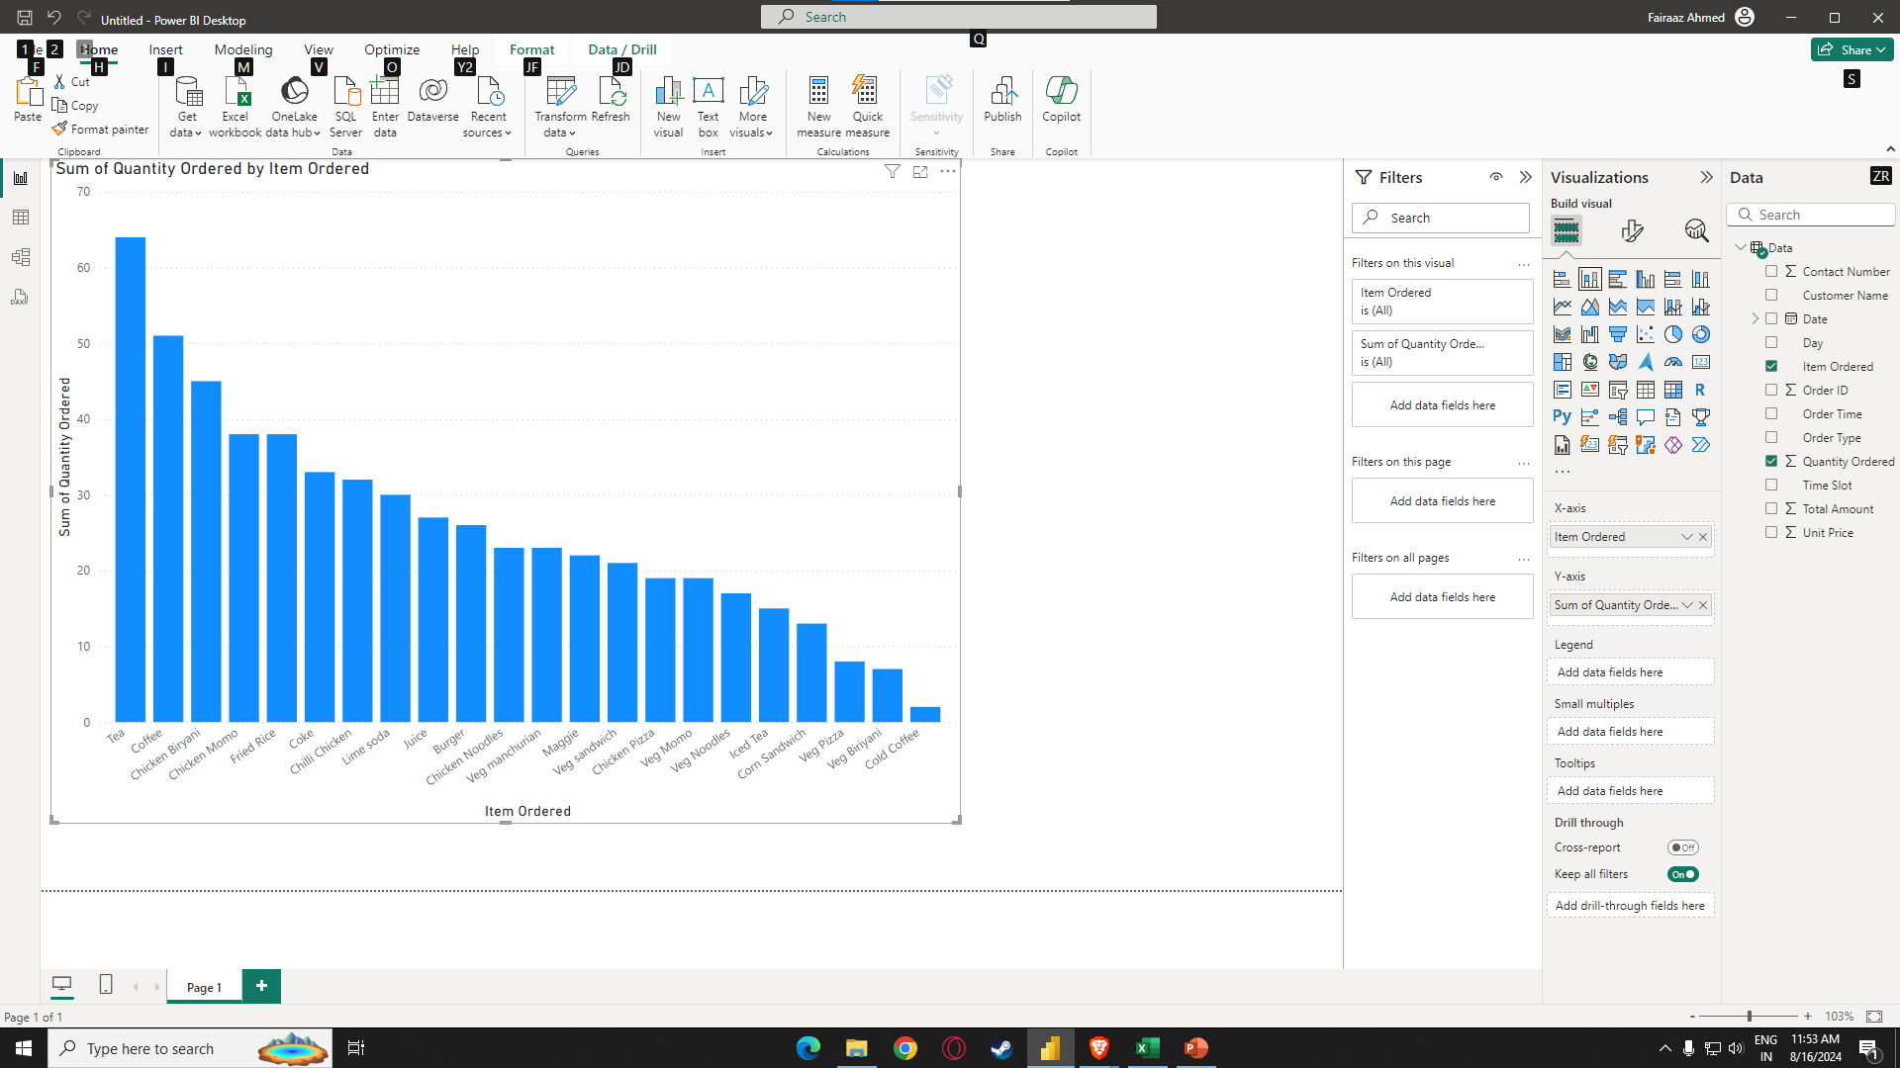
Ans=> | The most sold item is tea and the least sold item is cold coffee

Q2
Q2. Are more units ordered against lower-priced items or higher-priced items in a single order?

Unit Price and Quantity Ordered
 | Quantity Ordered
85 | 2
20 | 1
80 | 1
50 | 1
50 | 1
85 | 1
60 | 1
65 | 1
20 | 1
80 | 1
85 | 1
20 | 1
90 | 2
120 | 1
70 | 1
140 | 2
90 | 1
90 | 3
95 | 2
120 | 1
110 | 1
90 | 1
160 | 1
40 | 4
120 | 1
55 | 1
20 | 3
50 | 2
40 | 1
80 | 1
90 | 2
80 | 1
110 | 1
80 | 3
90 | 1
140 | 2
80 | 1
50 | 2
75 | 1
20 | 1
40 | 1
20 | 3
50 | 1
110 | 2
90 | 1
95 | 1
140 | 1
90 | 1
160 | 2
140 | 1
...

Q3
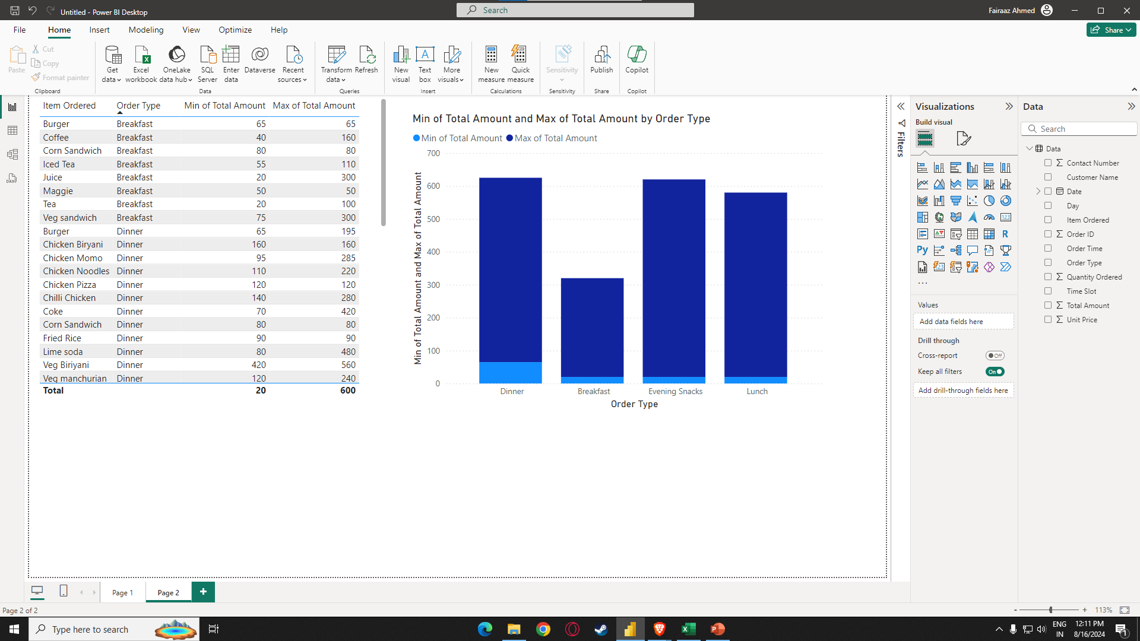
Q3. What items are sold more and what items are sold less in what type of meal?

Ans=> | Breakfast is the least amount ordered and Dinner is the highest amount ordered

Q4
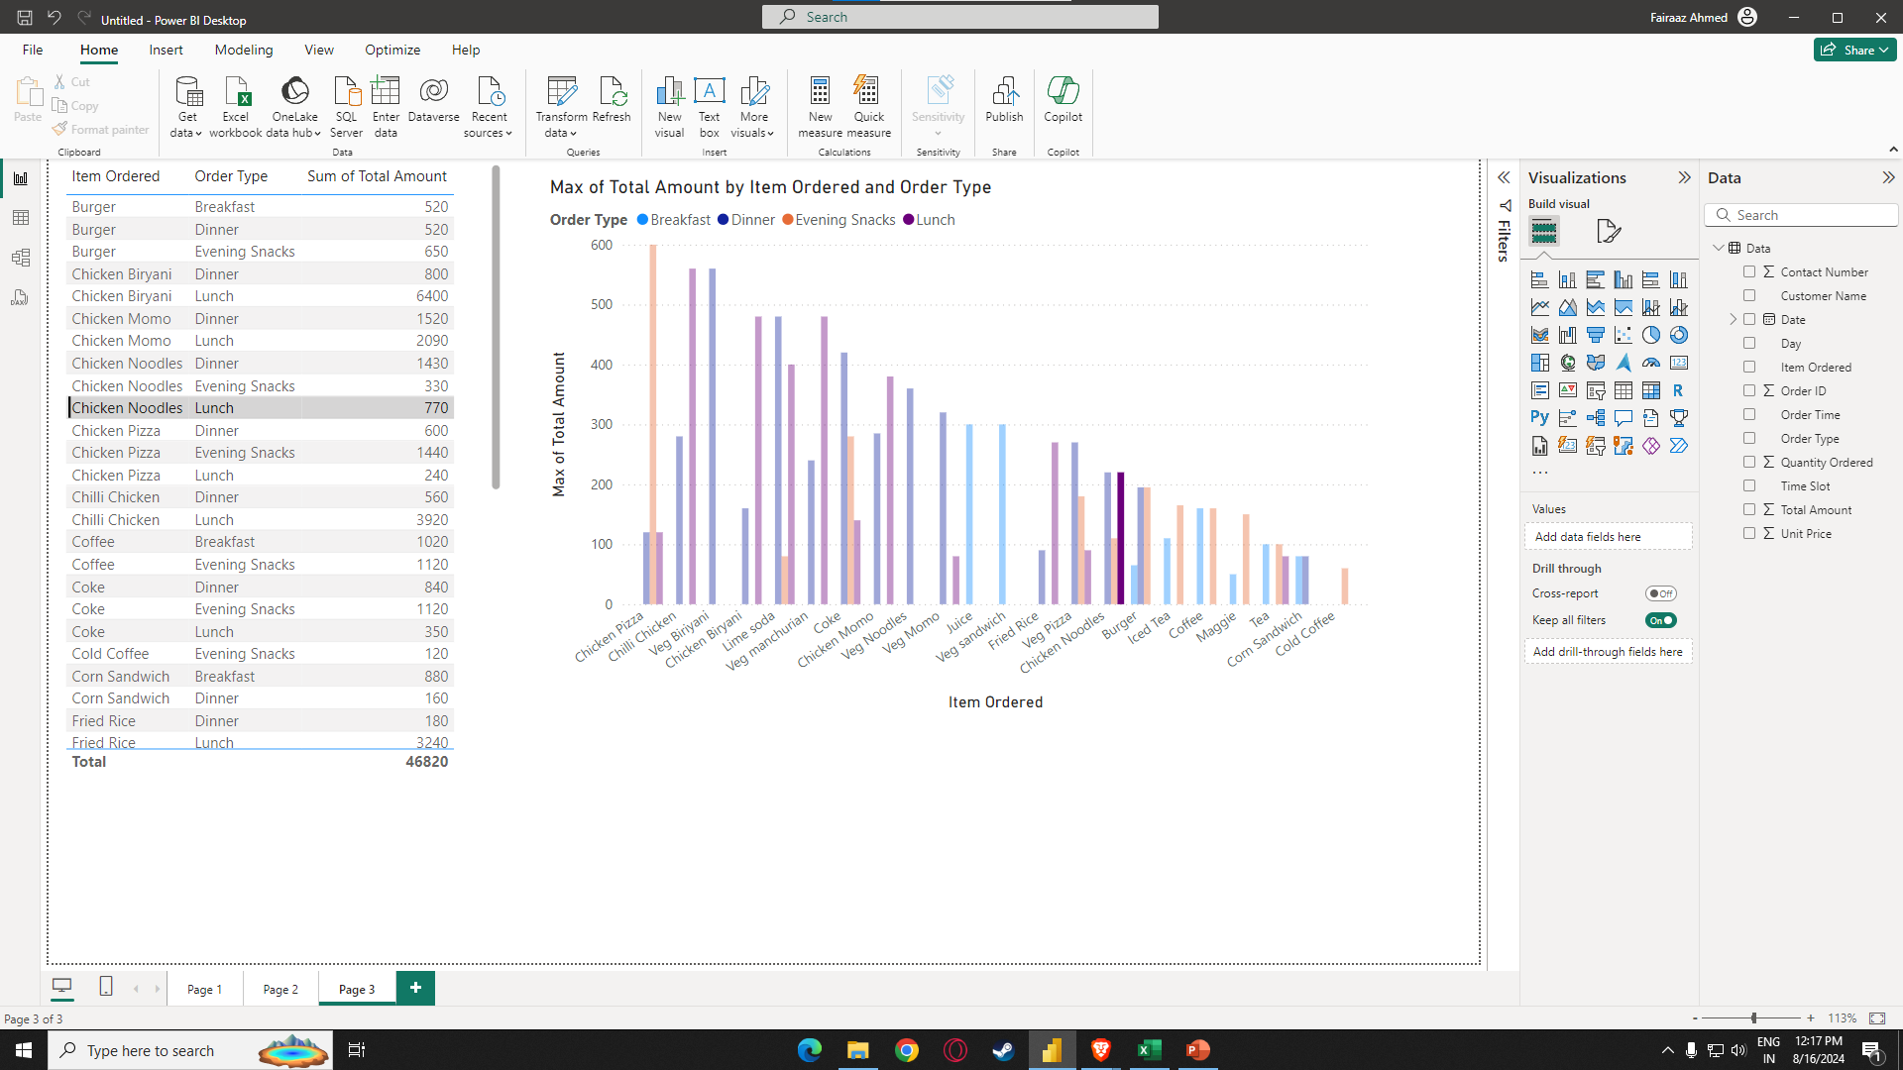
Q4. Sale of which items in what type of meal generate a greater amount of sales?

Ans=> | In Evening snacks Chicken Pizza generates the most amount of sales

Q5
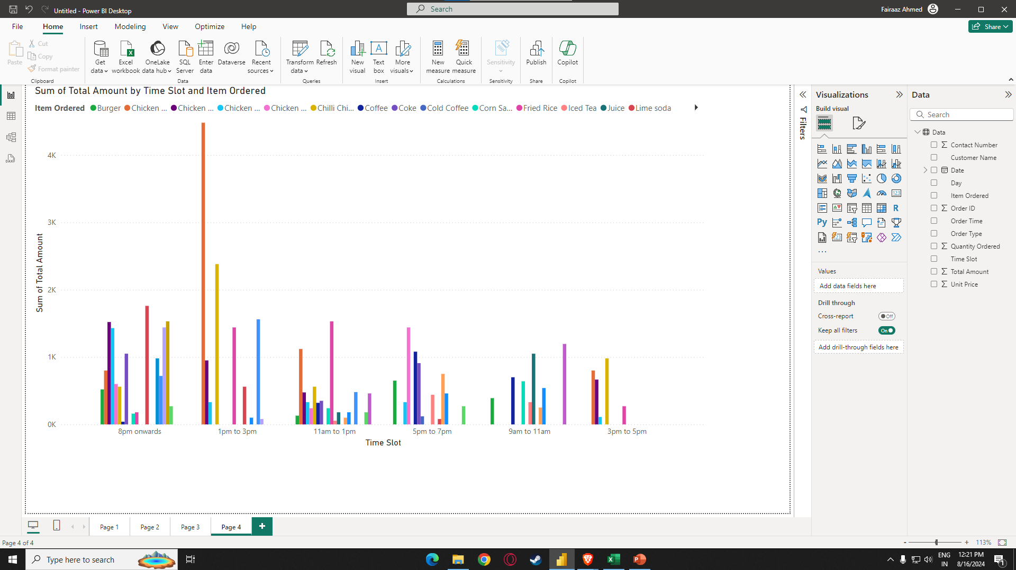
Q5. Should the company continue offering all items at different times of the day?

Ans=> | The Company should continue offering all items at different times of the day

